SC 2-5
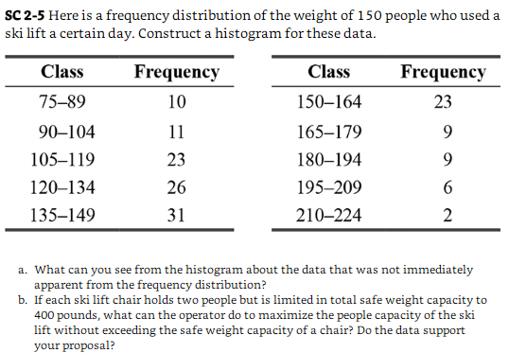
Class | Frequency | Question:
75-89 | 10
90-104 | 11
105-119 | 23
120-134 | 26
135-149 | 31
150-164 | 23
165-179 | 9
180-194 | 9
195-209 | 6
210-224 | 2

